1. Instructions
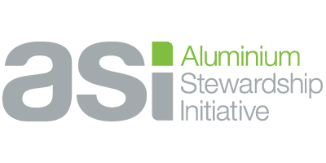
 | READ ME FIRST - ASI Standards Revision: Feedback Form (Excel)

 | About this document

 | This Feedback Form (Excel) is designed to capture feedback as part of the first public consultation on the draft ASI Performance Standard V4 (PS V4) and Chain of Custody V3 Standard (CoC V3). This form should be used for comments on specific subsections, criteria, or requirements of the draft Standards. It should be used side-by-side with the Consultation Drafts (PDFs) of the Standards, as you will need to enter specific reference numbers for each point of feedback (see 'Reference' tab). The Consultation Survey should be used for more general feedback on the drafts, or to provide your views on specific consultation questions. All Consultation Drafts and supporting resources can be found on the consultation webpage:
 | https://aluminium-stewardship.org/standards-revision-consultation-hub

 | How to complete the form

 | First enter your details on Tab 3: Your Information Use Tab 4: Your Feedback to enter your comments or suggestions on the draft Standards in the following order. 1. In Column B, select the Standard (PS V4 or CoC V3) to which your comment refers. 2. In Column C, enter the reference number for the specific text you wish to comment on. For the PS V4, this will refer to a subsection, criterion, or requirement. For the CoC V3, this will be the requirement number (see Tab 2. Reference for an example). 3. Columns E, F, and G will automatically populate. Please check this is the correct text before proceeding - if not, check your reference number. 4. Enter your comments in Column D ('Detailed feedback') - using one row per comment, ensuring that Columns B and C have been populated for each row.

 | Returning your feedback

 | Once completed please email this workbook to consultation@aluminium-stewardship.org by 20 April 2026 when the consultation closes.

 | USE OF INFORMATION/PRIVACY NOTICE: We handle your information with strict confidentiality and in accordance with our Confidentiality and Privacy Policies. You can review our policies here: https://aluminium-stewardship.org/policies. ASI will not publish the names of individuals or specific organisations that participated in the consultation and will not attribute comments to individuals in any published version of feedback. By sending us this completed form you acknowledge this use of the information you provide.

2. Reference
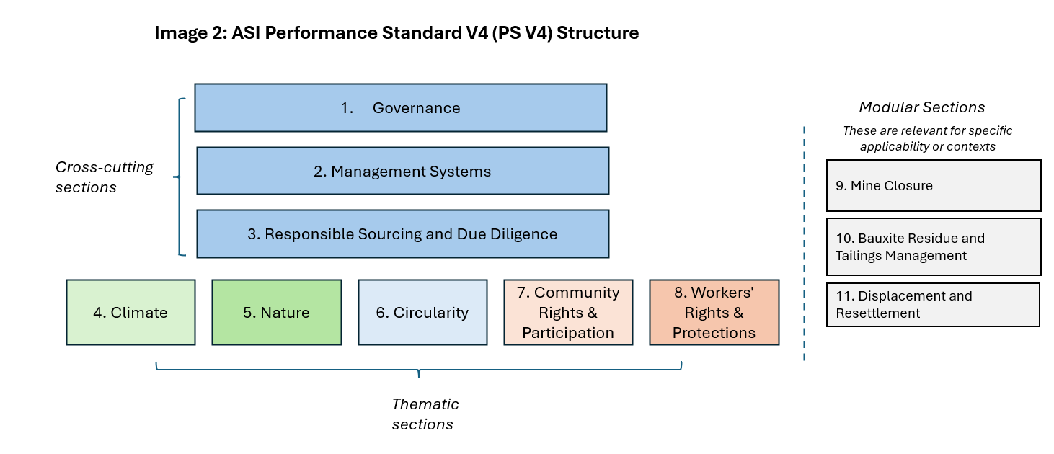
Reference - for information only
This diagram shows an example of a subsection, criterion, and requirement under the PS V4 structure (to input as a reference number for each point of feedback). Refer to the Introduction of the Consultation Draft or the Summary of Changes PPT for more detail on this format. | For the COC V3 Draft, Feedback should be entered for the relevant requirement (e.g. 3.1) which includes any sub-bullets (3.1.1, etc)
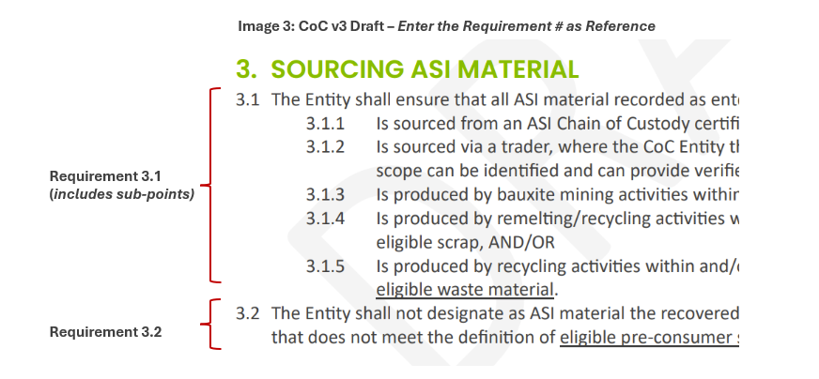

The Consultation Draft of the PS V4 has been restructured into 3 cross-cutting sections, 5 thematic sections, and 3 separate 'modular' sections which apply only in specific contexts

