Instructions and Filtering
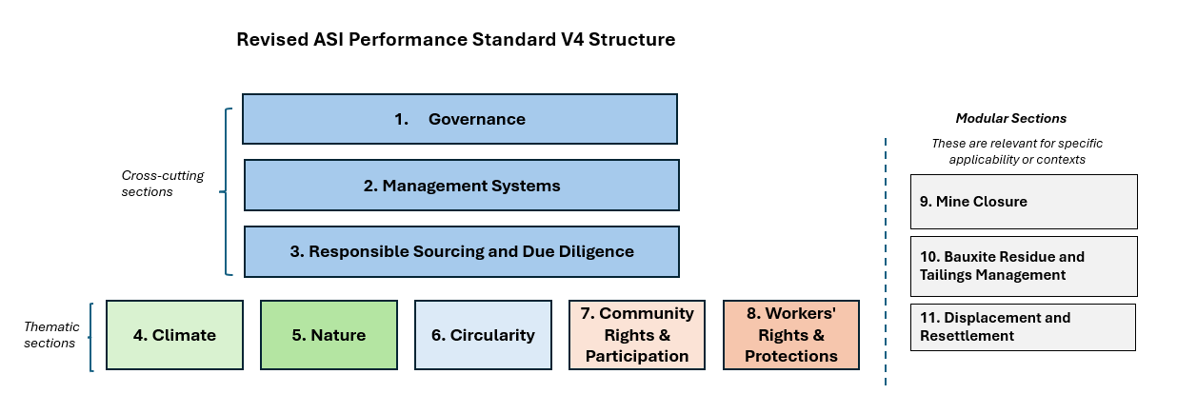
READ THIS TAB FIRST This workbook is to support the public consultation on the draft revised ASI Performance Standard V4 (PS V4). It maps the draft PS V4 requirements against criteria in the previous PS V3, and should be used together with the Consultation Draft (PDF). All supporting documents can be found on the consultation webpage: https://aluminium-stewardship.org/standards-revision-consultation-hub It allows users to: 1. Filter PS V4 requirements by applicability based on Supply Chain Activity using the filters on this tab, which cascade across all requirement tabs. Alternately, each individual tab 1-8 can be filtered separately. In the PS V4 Consultation Draft, applicability is indicated in blue text under the Notes column. 2. Filter PS V4 requirements by Minimum vs Leading Practice (see introduction of the Consultation Draft for more detail) 3. Filter by the type of change compared to PS V3 (Column N) on each individual tab 1-8. When a requirement is non-applicable based on the filtering selected, it will be shown as greyed out with strike through - see image to the right. |  | 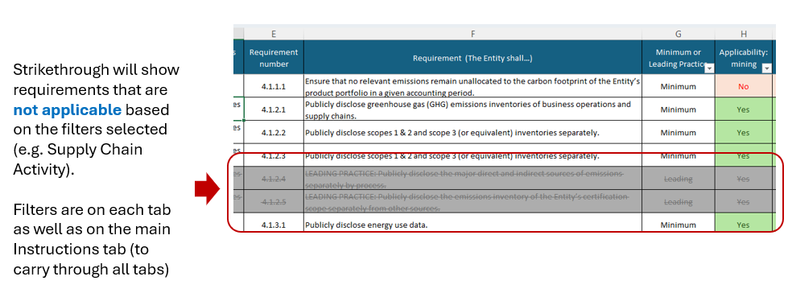
Please note that under PS V4, conformance will still be assessed at criterion level. The requirements are similar to sub-bullets found under criteria in the current PS V3, but more explicit. See the Introduction to the PS V4 Consultation Draft for more detail.
Applicability for downstream (fabricating) Entities* ASI is seeking input on a proposal for a streamlined certification option for downstream Entities. Under this proposal, only Sections 3: Responsible Sourcing & Due Diligence), 4: Climate and 6: Circularity would be required for downstream certification. The remaining sections would be optional. To see how this option would change the requirements for Downstream Entities, select 'Yes - show streamlined certification option' next to Fabricating in the table below (and make sure 'No' is selected for all other Activities). When 'Yes - show full section' is selected, this displays the (potentially) applicable requirements for downstream Entities under all Sections. See the Introduction of the PS V4 Consultation Draft and the Consultation Survey for more detail and to give your input.

Applicability Filters | Adjust selection in the rows below to change applicable requirements in tabs 1-8
Supply Chain Activity | Within Entity Certification Scope?
Mining | Yes | ←Edit here
Refining | Yes | ←Edit here
Smelting (+casthouse) | Yes | ←Edit here
Remelting/recycling (+casthouse) | Yes | ←Edit here
Semi-fabricating | Yes | ←Edit here
Fabricating* (see note above on streamlined certification proposal) | Yes - show all sections | ←Edit here

Type of Requirement | Show Requirement?
Minimum | Yes | ←Edit here
Leading | Yes | ←Edit here

